MI
CR | MI (area corrected) | MI range (area corrected) | Check file name | MI (not area corrected) | MI range (not area corrected) | Check file names
arp8 | 0.66587145891 | 0.0012581774635 | export_JL2021-04-25__H2.0003.mqd.csv | 0.44559508614 | 0.0007265660875 | export_JL2021-04-25__H2.0003.mqd.csv
arp8 | 0.87988455985 | 0.0012667231324 | export_JL2021-04-25__G2.0003.mqd.csv | 0.78583332146 | 0.00061424481343 | export_JL2021-04-25__G2.0003.mqd.csv
arp8 | 0.89195273286 | 0.0017456113134 | export_JL2021-04-25__E2.0003.mqd.csv | 0.78499097861 | 0.00074463919293 | export_JL2021-04-25__E2.0003.mqd.csv
AM
arp8 | 0.93342973354 | 0.0018183476317 | export_JL2021-04-25__F2.0003.mqd.csv | 0.80248818767 | 0.00061707189578 | export_JL2021-04-25__F2.0003.mqd.csv
caf4 | 0.00097438139823 | 0.00033654243903 | export_JL2021-04-24__D8.0003.mqd.csv | 0.065916783477 | 0.012038365928 | export_JL2021-04-24__D8.0003.mqd.csv
caf4 | 0.010543917713 | 0.00041685508038 | export_JL2021-04-24__B8.0003.mqd.csv | 0.031694372926 | 0.0076035123436 | export_JL2021-04-24__B8.0003.mqd.csv
caf4 | 0.032832426188 | 0.00055211330433 | export_JL2021-04-24__C8.0003.mqd.csv | 0.035482039036 | 0.0089907078486 | export_JL2021-04-24__C8.0003.mqd.csv
caf4 | 0.040487390217 | 0.00043338621236 | export_JL2021-04-24__A8.0003.mqd.csv | 0.016601186263 | 0.0036350112135 | export_JL2021-04-24__A8.0003.mqd.csv
caf40 | 0.29905671732 | 0.0008203082439 | export_JL2021-04-25__C1.0002.mqd.csv | 0.24629337794 | 0.00040131829255 | export_JL2021-04-25__C1.0002.mqd.csv
caf40 | 0.46218636849 | 0.0012027191993 | export_JL2021-04-25__B1.0002.mqd.csv | 0.32752125006 | 0.0003740743329 | export_JL2021-04-25__B1.0002.mqd.csv
caf40 | 0.55188065618 | 0.0016482355975 | export_JL2021-04-25__D1.0002.mqd.csv | 0.48114079339 | 0.00032548298894 | export_JL2021-04-25__D1.0002.mqd.csv
caf40 | 0.90004171394 | 0.00070546328602 | export_JL2021-04-25__A1.0002.mqd.csv | 0.8304203476 | 0.00059743565172 | export_JL2021-04-25__A1.0002.mqd.csv
cdc73 | 0.78983013816 | 0.0023234431032 | export_JL2021-04-24__D10.0003.mqd.csv | 0.67516542487 | 0.00076979648335 | export_JL2021-04-24__D10.0003.mqd.csv
cdc73 | 0.81272296593 | 0.002327820689 | export_JL2021-04-24__C10.0003.mqd.csv | 0.70655043162 | 0.00052163262081 | export_JL2021-04-24__C10.0003.mqd.csv
cdc73 | 0.81779319876 | 0.0022364564486 | export_JL2021-04-24__A10.0003.mqd.csv | 0.72332214522 | 0.00043754583115 | export_JL2021-04-24__A10.0003.mqd.csv
cdc73 | 0.9271961041 | 0.0024303994182 | export_JL2021-04-24__B10.0003.mqd.csv | 0.80790513597 | 0.00032750329834 | export_JL2021-04-24__B10.0003.mqd.csv
chz1 | 0.011569764175 | 0.00027149154493 | export_JL2021-04-24__D6.0003.mqd.csv | 0.021480073403 | 0.0068777562131 | export_JL2021-04-24__D6.0003.mqd.csv
chz1 | 0.01445469117 | 0.00035351807598 | export_JL2021-04-24__A6.0003.mqd.csv | 0.035810078624 | 0.0059549730948 | export_JL2021-04-24__A6.0003.mqd.csv
chz1 | 0.01649487048 | 0.00038344827495 | export_JL2021-04-24__C6.0003.mqd.csv | 0.055358115724 | 0.0075993512842 | export_JL2021-04-24__C6.0003.mqd.csv
chz1 | 0.025559496004 | 0.00041427255863 | export_JL2021-04-24__B6.0003.mqd.csv | 0.030415094667 | 0.0039241441992 | export_JL2021-04-24__B6.0003.mqd.csv
ecm5 | 0.77158724943 | 0.001735468159 | export_JL2021-04-25__C11.0002.mqd.csv | 0.72374725352 | 0.00040531621347 | export_JL2021-04-25__C11.0002.mqd.csv
ecm5 | 0.87548867424 | 0.00099228016999 | export_JL2021-04-25__A11.0002.mqd.csv | 0.79257760753 | 0.00073554616518 | export_JL2021-04-25__A11.0002.mqd.csv
ecm5 | 1.3109961864 | 0.0030332984255 | export_JL2021-04-25__D11.0002.mqd.csv | 0.98753899421 | 0.00050746793635 | export_JL2021-04-25__D11.0002.mqd.csv
ecm5 | 1.3354476364 | 0.0031358605222 | export_JL2021-04-25__B11.0002.mqd.csv | 0.98485201581 | 0.00043142895038 | export_JL2021-04-25__B11.0002.mqd.csv
gcn5 | 0.71255731928 | 0.0015215148873 | export_JL2021-04-25__A12.0002.mqd.csv | 0.63675236092 | 0.00040659234848 | export_JL2021-04-25__A12.0002.mqd.csv
gcn5 | 0.82574343247 | 0.0024748277348 | export_JL2021-04-25__B12.0002.mqd.csv | 0.67896730825 | 0.00037450780704 | export_JL2021-04-25__B12.0002.mqd.csv
gcn5 | 1.0473852267 | 0.0029216929895 | export_JL2021-04-25__D12.0002.mqd.csv | 0.78456546714 | 0.00075972452614 | export_JL2021-04-25__D12.0002.mqd.csv
gcn5 | 1.0561156255 | 0.002773175961 | export_JL2021-04-25__C12.0002.mqd.csv | 0.83248519146 | 0.00053316629048 | export_JL2021-04-25__C12.0002.mqd.csv
hda3 | 0.0050871433584 | 0.00040890769263 | export_JL2021-04-25__C3.0003.mqd.csv | 0.028214595708 | 0.005151252665 | export_JL2021-04-25__C3.0003.mqd.csv
hda3 | 0.010976774775 | 0.00041554991613 | export_JL2021-04-25__D3.0003.mqd.csv | 0.041376936908 | 0.011380468674 | export_JL2021-04-25__D3.0003.mqd.csv
hda3 | 0.013835372155 | 0.00039831035676 | export_JL2021-04-25__B3.0003.mqd.csv | 0.038822361612 | 0.0047260422981 | export_JL2021-04-25__B3.0003.mqd.csv
hda3 | 0.023961376253 | 0.0005964831675 | export_JL2021-04-25__A3.0003.mqd.csv | 0.034722275853 | 0.0065182865854 | export_JL2021-04-25__A3.0003.mqd.csv
hir2 | 0.01140864294 | 0.00034623119804 | export_JL2021-04-25__B9.0003.mqd.csv | 0.032507796308 | 0.0083780115728 | export_JL2021-04-25__B9.0003.mqd.csv
hir2 | 0.016787861275 | 0.00043461893122 | export_JL2021-04-25__A9.0003.mqd.csv | 0.02124363444 | 0.0069212465045 | export_JL2021-04-25__A9.0003.mqd.csv
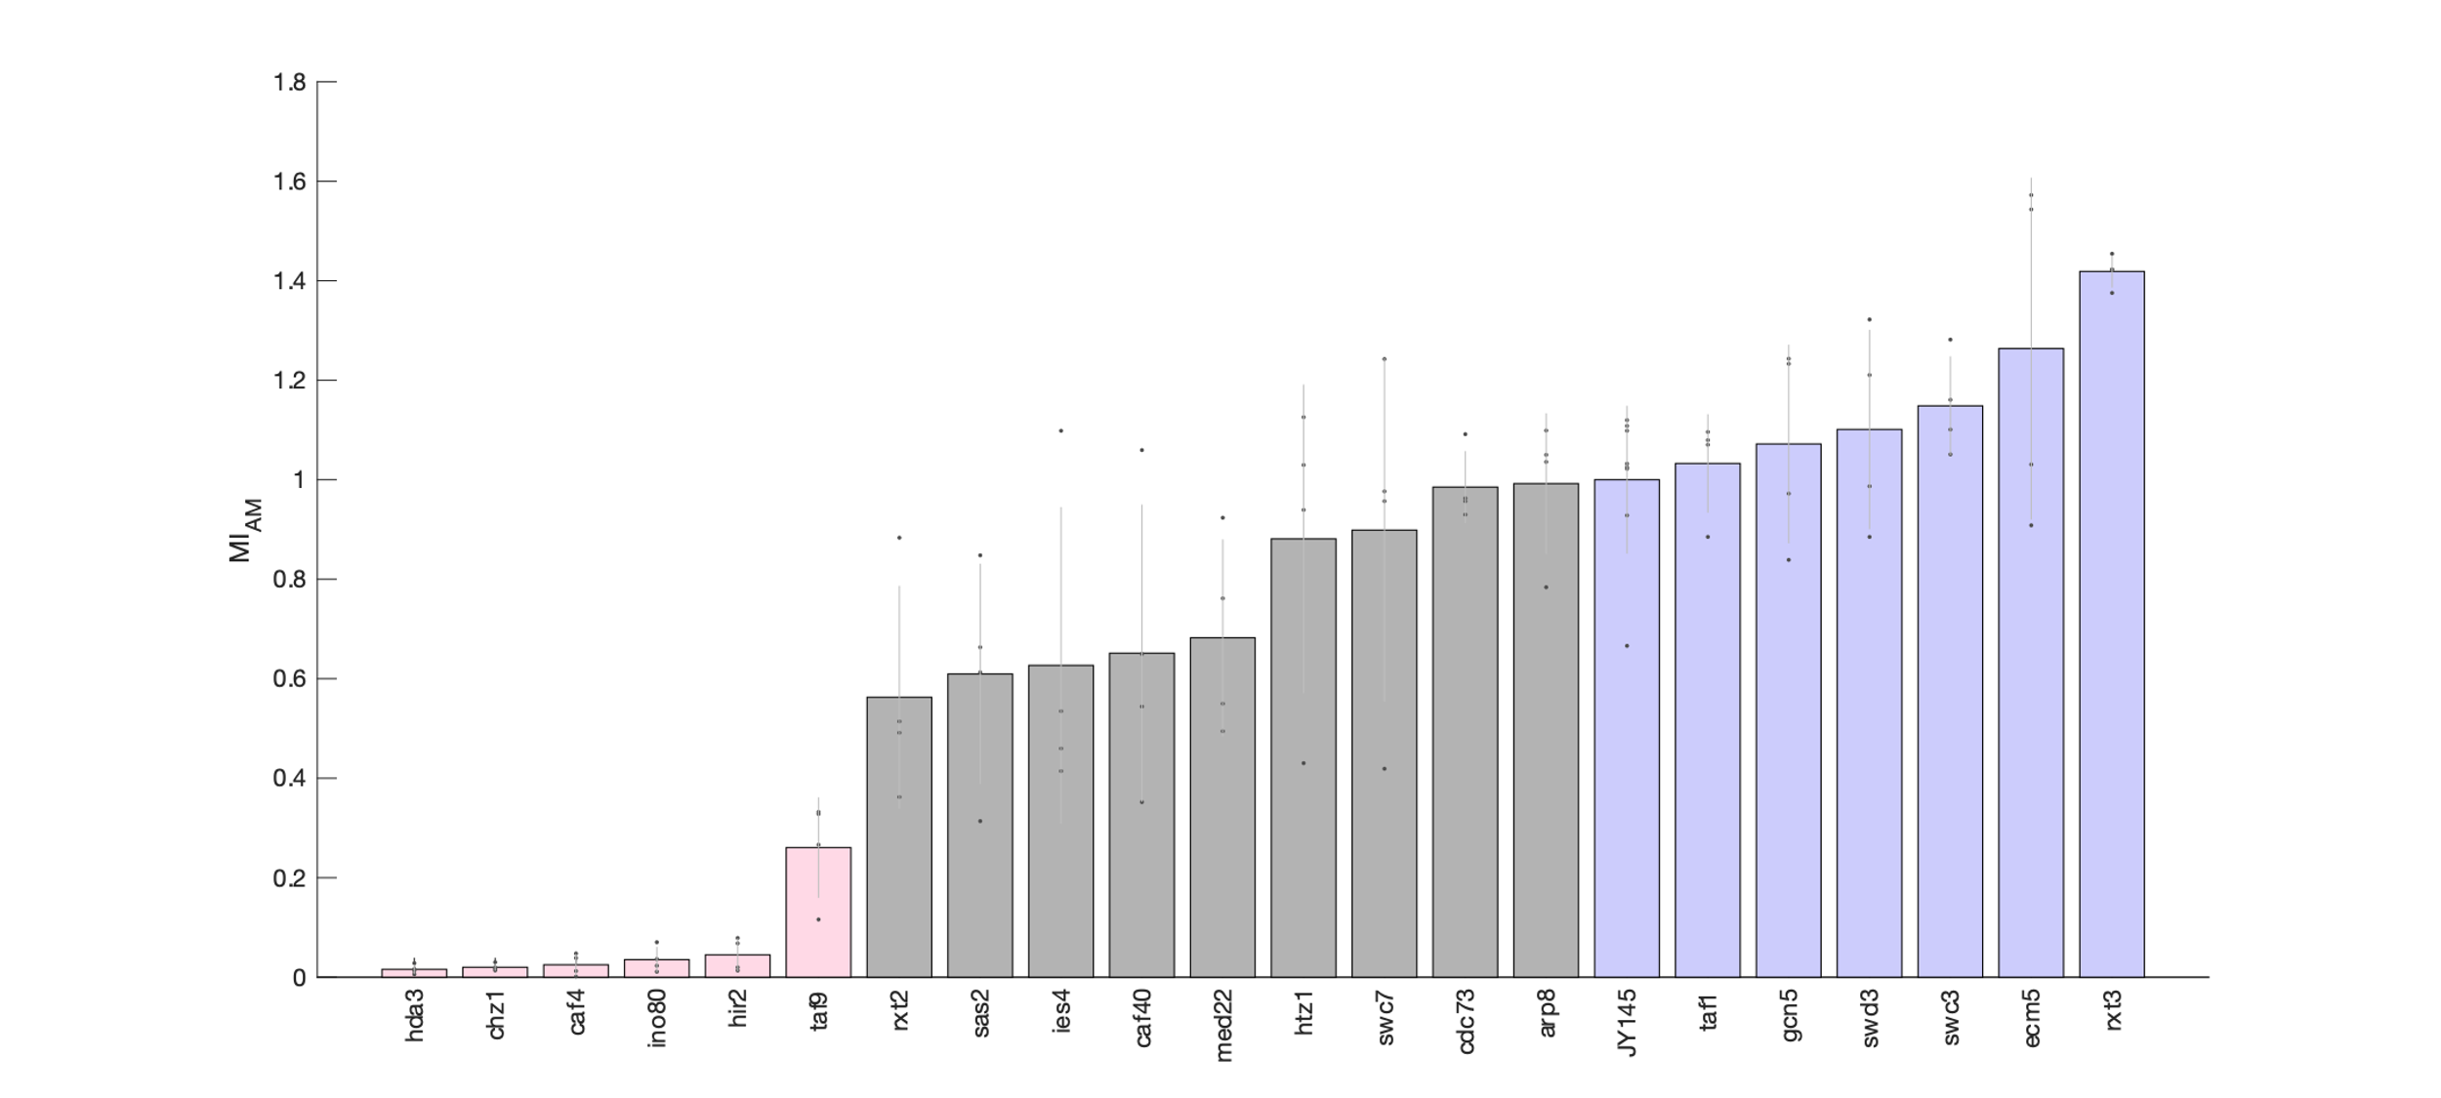
hir2 | 0.057834539702 | 0.00068921217379 | export_JL2021-04-25__D9.0003.mqd.csv | 0.03895732747 | 0.0086596424678 | export_JL2021-04-25__D9.0003.mqd.csv
hir2 | 0.066923653441 | 0.00092063132409 | export_JL2021-04-25__C9.0003.mqd.csv | 0.054300792863 | 0.0076660279407 | export_JL2021-04-25__C9.0003.mqd.csv
htz1 | 0.36546003191 | 0.00063973841575 | export_JL2021-04-25__B5.0003.mqd.csv | 0.37187238454 | 0.00061623067017 | export_JL2021-04-25__B5.0003.mqd.csv
htz1 | 0.79788990734 | 0.0023223134206 | export_JL2021-04-25__D5.0003.mqd.csv | 0.56917333123 | 0.00050265413901 | export_JL2021-04-25__D5.0003.mqd.csv
htz1 | 0.87456952228 | 0.0012856755685 | export_JL2021-04-25__C5.0003.mqd.csv | 0.75389767687 | 0.00052096930709 | export_JL2021-04-25__C5.0003.mqd.csv
htz1 | 0.9562827541 | 0.00097235152455 | export_JL2021-04-25__A5.0003.mqd.csv | 0.87114669919 | 0.00040743877703 | export_JL2021-04-25__A5.0003.mqd.csv
ies4 | 0.35191885786 | 0.0014405219355 | export_JL2021-04-25__B2.0003.mqd.csv | 0.46655195651 | 0.00089793893107 | export_JL2021-04-25__B2.0003.mqd.csv
ies4 | 0.39055395401 | 0.0014662366277 | export_JL2021-04-25__A2.0003.mqd.csv | 0.45478052603 | 0.0011450718952 | export_JL2021-04-25__A2.0003.mqd.csv
ies4 | 0.45425281711 | 0.0020268189039 | export_JL2021-04-25__C2.0003.mqd.csv | 0.6567149505 | 0.0013370252274 | export_JL2021-04-25__C2.0003.mqd.csv
ies4 | 0.93300579049 | 0.0014146537525 | export_JL2021-04-25__D2.0003.mqd.csv | 0.83623655793 | 0.0012281490288 | export_JL2021-04-25__D2.0003.mqd.csv
ino80 | 0.0094356775729 | 0.00030584397902 | export_JL2021-04-25__A10.0003.mqd.csv | 0.068095330736 | 0.010066259909 | export_JL2021-04-25__A10.0003.mqd.csv
ino80 | 0.019615959064 | 0.00049256251719 | export_JL2021-04-25__B10.0003.mqd.csv | 0.13323577805 | 0.021326806627 | export_JL2021-04-25__B10.0003.mqd.csv
ino80 | 0.031064758271 | 0.00047081605028 | export_JL2021-04-25__C10.0003.mqd.csv | 0.19734160736 | 0.01393155574 | export_JL2021-04-25__C10.0003.mqd.csv
ino80 | 0.059762830418 | 0.00076133515875 | export_JL2021-04-25__D10.0003.mqd.csv | 0.17557350327 | 0.019897219259 | export_JL2021-04-25__D10.0003.mqd.csv
JY145 | 0.56577783943 | 0.0012842011937 | export_JL2021-04-25__F3.0003.mqd.csv | 0.49409095791 | 0.00041082448847 | export_JL2021-04-25__F3.0003.mqd.csv
JY145 | 0.78853428187 | 0.0011166885126 | export_JL2021-04-24__F1.0002.mqd.csv | 0.69330267116 | 0.0002813720167 | export_JL2021-04-24__F1.0002.mqd.csv
JY145 | 0.86807215652 | 0.001192086075 | export_JL2021-04-24__G1.0002.mqd.csv | 0.68318251631 | 0.00038819541337 | export_JL2021-04-24__G1.0002.mqd.csv
JY145 | 0.87075291876 | 0.0013223097248 | export_JL2021-04-25__H3.0003.mqd.csv | 0.74492772823 | 0.00045618539729 | export_JL2021-04-25__H3.0003.mqd.csv
JY145 | 0.87682063147 | 0.00097339370444 | export_JL2021-04-24__E1.0002.mqd.csv | 0.70181735481 | 0.0004111972514 | export_JL2021-04-24__E1.0002.mqd.csv
JY145 | 0.93300524459 | 0.0024726025292 | export_JL2021-04-24__H1.0002.mqd.csv | 0.91105210581 | 0.00038505535976 | export_JL2021-04-24__H1.0002.mqd.csv
JY145 | 0.94133510873 | 0.0017069156546 | export_JL2021-04-25__E3.0003.mqd.csv | 0.85070301485 | 0.00049048222489 | export_JL2021-04-25__E3.0003.mqd.csv
JY145 | 0.95115051883 | 0.0021229895244 | export_JL2021-04-25__G3.0003.mqd.csv | 0.91550909397 | 0.00036621780234 | export_JL2021-04-25__G3.0003.mqd.csv
JY30 | 0.69145146913 | 0.0013266533357 | export_JL2021-04-25__F4.0003.mqd.csv | 0.57342393098 | 0.00045296958605 | export_JL2021-04-25__F4.0003.mqd.csv
JY30 | 0.70957059954 | 0.0015094323773 | export_JL2021-04-25__E4.0003.mqd.csv | 0.65824742338 | 0.00059844380681 | export_JL2021-04-25__E4.0003.mqd.csv
JY30 | 0.82735926437 | 0.00077735175836 | export_JL2021-04-24__G2.0003.mqd.csv | 0.78672501187 | 0.00046306580597 | export_JL2021-04-24__G2.0003.mqd.csv
JY30 | 0.86025338378 | 0.0015283398662 | export_JL2021-04-25__H4.0003.mqd.csv | 0.74314488752 | 0.00060789799261 | export_JL2021-04-25__H4.0003.mqd.csv
JY30 | 0.86112155989 | 0.0017296655302 | export_JL2021-04-25__G4.0003.mqd.csv | 0.73301714501 | 0.00084340506049 | export_JL2021-04-25__G4.0003.mqd.csv
JY30 | 0.87260624722 | 0.0010712261942 | export_JL2021-04-24__F2.0003.mqd.csv | 0.81553912897 | 0.00032482303105 | export_JL2021-04-24__F2.0003.mqd.csv
JY30 | 0.98405665028 | 0.0021283125475 | export_JL2021-04-24__E2.0003.mqd.csv | 0.82036084983 | 0.0003899706175 | export_JL2021-04-24__E2.0003.mqd.csv
JY30 | 1.1382753022 | 0.0029134991496 | export_JL2021-04-24__H2.0003.mqd.csv | 0.9335125215 | 0.00053785408741 | export_JL2021-04-24__H2.0003.mqd.csv
med22 | 0.41997787849 | 0.0011242830104 | export_JL2021-04-24__B7.0003.mqd.csv | 0.34149225351 | 0.00050982979967 | export_JL2021-04-24__B7.0003.mqd.csv
med22 | 0.46706113423 | 0.0010542970865 | export_JL2021-04-24__A7.0003.mqd.csv | 0.40398248625 | 0.00052661407459 | export_JL2021-04-24__A7.0003.mqd.csv
med22 | 0.64688389356 | 0.00098852014638 | export_JL2021-04-24__C7.0003.mqd.csv | 0.53940198182 | 0.00058856971473 | export_JL2021-04-24__C7.0003.mqd.csv
med22 | 0.78453548032 | 0.0011602996537 | export_JL2021-04-24__D7.0003.mqd.csv | 0.69815218245 | 0.00053649159163 | export_JL2021-04-24__D7.0003.mqd.csv
rxt2 | 0.30769803272 | 0.0007068689629 | export_JL2021-04-24__A5.0003.mqd.csv | 0.31643177822 | 0.0004380989085 | export_JL2021-04-24__A5.0003.mqd.csv
rxt2 | 0.41741007473 | 0.00097030055848 | export_JL2021-04-24__B5.0003.mqd.csv | 0.37407940375 | 0.00027246630031 | export_JL2021-04-24__B5.0003.mqd.csv
rxt2 | 0.43675706963 | 0.0012610948887 | export_JL2021-04-24__C5.0003.mqd.csv | 0.3204363968 | 0.00047770623246 | export_JL2021-04-24__C5.0003.mqd.csv
rxt2 | 0.75042123604 | 0.0016597543566 | export_JL2021-04-24__D5.0003.mqd.csv | 0.61247764722 | 0.00064743649008 | export_JL2021-04-24__D5.0003.mqd.csv
rxt3 | 1.1683670793 | 0.0023553888616 | export_JL2021-04-24__C3.0003.mqd.csv | 0.91222415524 | 0.00060909715991 | export_JL2021-04-24__C3.0003.mqd.csv
rxt3 | 1.2083350388 | 0.0030659411862 | export_JL2021-04-24__D3.0003.mqd.csv | 0.93236096155 | 0.00084675235754 | export_JL2021-04-24__D3.0003.mqd.csv
rxt3 | 1.208345968 | 0.0022388288003 | export_JL2021-04-24__A3.0003.mqd.csv | 0.99174347421 | 0.00059088595701 | export_JL2021-04-24__A3.0003.mqd.csv
rxt3 | 1.2352939749 | 0.0017070123988 | export_JL2021-04-24__B3.0003.mqd.csv | 1.0271742519 | 0.00081920031234 | export_JL2021-04-24__B3.0003.mqd.csv
sas2 | 0.26652378423 | 0.0006222390405 | export_JL2021-04-25__A7.0003.mqd.csv | 0.26470077195 | 0.00053166079472 | export_JL2021-04-25__A7.0003.mqd.csv
sas2 | 0.52068313285 | 0.001044563119 | export_JL2021-04-25__B7.0003.mqd.csv | 0.52477369532 | 0.0004423288275 | export_JL2021-04-25__B7.0003.mqd.csv
sas2 | 0.56338268649 | 0.001738919008 | export_JL2021-04-25__C7.0003.mqd.csv | 0.63534237483 | 0.00044454423667 | export_JL2021-04-25__C7.0003.mqd.csv
sas2 | 0.72036129476 | 0.0016095655876 | export_JL2021-04-25__D7.0003.mqd.csv | 0.71423422524 | 0.00050932967507 | export_JL2021-04-25__D7.0003.mqd.csv
swc3 | 0.89274934207 | 0.0026982482292 | export_JL2021-04-24__B1.0002.mqd.csv | 0.70033451501 | 0.00050110753496 | export_JL2021-04-24__B1.0002.mqd.csv
swc3 | 0.93508765891 | 0.0022832790587 | export_JL2021-04-24__C1.0002.mqd.csv | 0.82765235002 | 0.00043787516771 | export_JL2021-04-24__C1.0002.mqd.csv
swc3 | 0.98593574431 | 0.0013261917601 | export_JL2021-04-24__A1.0003.mqd.csv | 0.92111656678 | 0.00084095758172 | export_JL2021-04-24__A1.0003.mqd.csv
swc3 | 1.088682316 | 0.002770668936 | export_JL2021-04-24__D1.0002.mqd.csv | 0.86195891376 | 0.000396046647 | export_JL2021-04-24__D1.0002.mqd.csv
swc7 | 0.35594335408 | 0.0010056622866 | export_JL2021-04-24__B9.0003.mqd.csv | 0.35131456029 | 0.00049229815853 | export_JL2021-04-24__B9.0003.mqd.csv
swc7 | 0.81281891426 | 0.001095492661 | export_JL2021-04-24__C9.0003.mqd.csv | 0.77974807381 | 0.00032121256361 | export_JL2021-04-24__C9.0003.mqd.csv
swc7 | 0.82955607157 | 0.0014840335869 | export_JL2021-04-24__A9.0003.mqd.csv | 0.79801757527 | 0.00046512964098 | export_JL2021-04-24__A9.0003.mqd.csv
swc7 | 1.0554452468 | 0.003020778589 | export_JL2021-04-24__D9.0003.mqd.csv | 0.88674790477 | 0.00028353451192 | export_JL2021-04-24__D9.0003.mqd.csv
swd3 | 0.75179864857 | 0.0012074720728 | export_JL2021-04-24__A2.0003.mqd.csv | 0.64402617889 | 0.00056597654619 | export_JL2021-04-24__A2.0003.mqd.csv
swd3 | 0.83827933684 | 0.0012962176712 | export_JL2021-04-24__B2.0003.mqd.csv | 0.79424722756 | 0.00045699824818 | export_JL2021-04-24__B2.0003.mqd.csv
swd3 | 1.0281863411 | 0.0028447045995 | export_JL2021-04-24__D2.0003.mqd.csv | 0.77194377241 | 0.00042382125139 | export_JL2021-04-24__D2.0003.mqd.csv
swd3 | 1.1229814393 | 0.0022842927024 | export_JL2021-04-24__C2.0003.mqd.csv | 0.86393953886 | 0.00057403254977 | export_JL2021-04-24__C2.0003.mqd.csv
taf1 | 0.75184210264 | 0.0023083493078 | export_JL2021-04-24__D4.0003.mqd.csv | 0.65627901393 | 0.0033969502601 | export_JL2021-04-24__D4.0003.mqd.csv
taf1 | 0.90912844159 | 0.0019171478714 | export_JL2021-04-24__A4.0003.mqd.csv | 0.82731937827 | 0.00038249438698 | export_JL2021-04-24__A4.0003.mqd.csv
taf1 | 0.91701396961 | 0.0023507045463 | export_JL2021-04-24__C4.0003.mqd.csv | 0.82733703971 | 0.0011932001961 | export_JL2021-04-24__C4.0003.mqd.csv
taf1 | 0.93102284865 | 0.0019011632454 | export_JL2021-04-24__B4.0003.mqd.csv | 0.84820111129 | 0.00041167153207 | export_JL2021-04-24__B4.0003.mqd.csv
taf9 | 0.098546013221 | 0.00054145424303 | export_JL2021-04-25__B8.0003.mqd.csv | 0.070132931544 | 0.0010743027904 | export_JL2021-04-25__B8.0003.mqd.csv
taf9 | 0.22617242577 | 0.00079952609566 | export_JL2021-04-25__A8.0003.mqd.csv | 0.14447176794 | 0.0014110561707 | export_JL2021-04-25__A8.0003.mqd.csv
taf9 | 0.27866710756 | 0.00070744069253 | export_JL2021-04-25__C8.0003.mqd.csv | 0.11918497969 | 0.0012160204417 | export_JL2021-04-25__C8.0003.mqd.csv
taf9 | 0.28217989136 | 0.0011993741412 | export_JL2021-04-25__D8.0003.mqd.csv | 0.11499619765 | 0.0016766397051 | export_JL2021-04-25__D8.0003.mqd.csv

Clusters
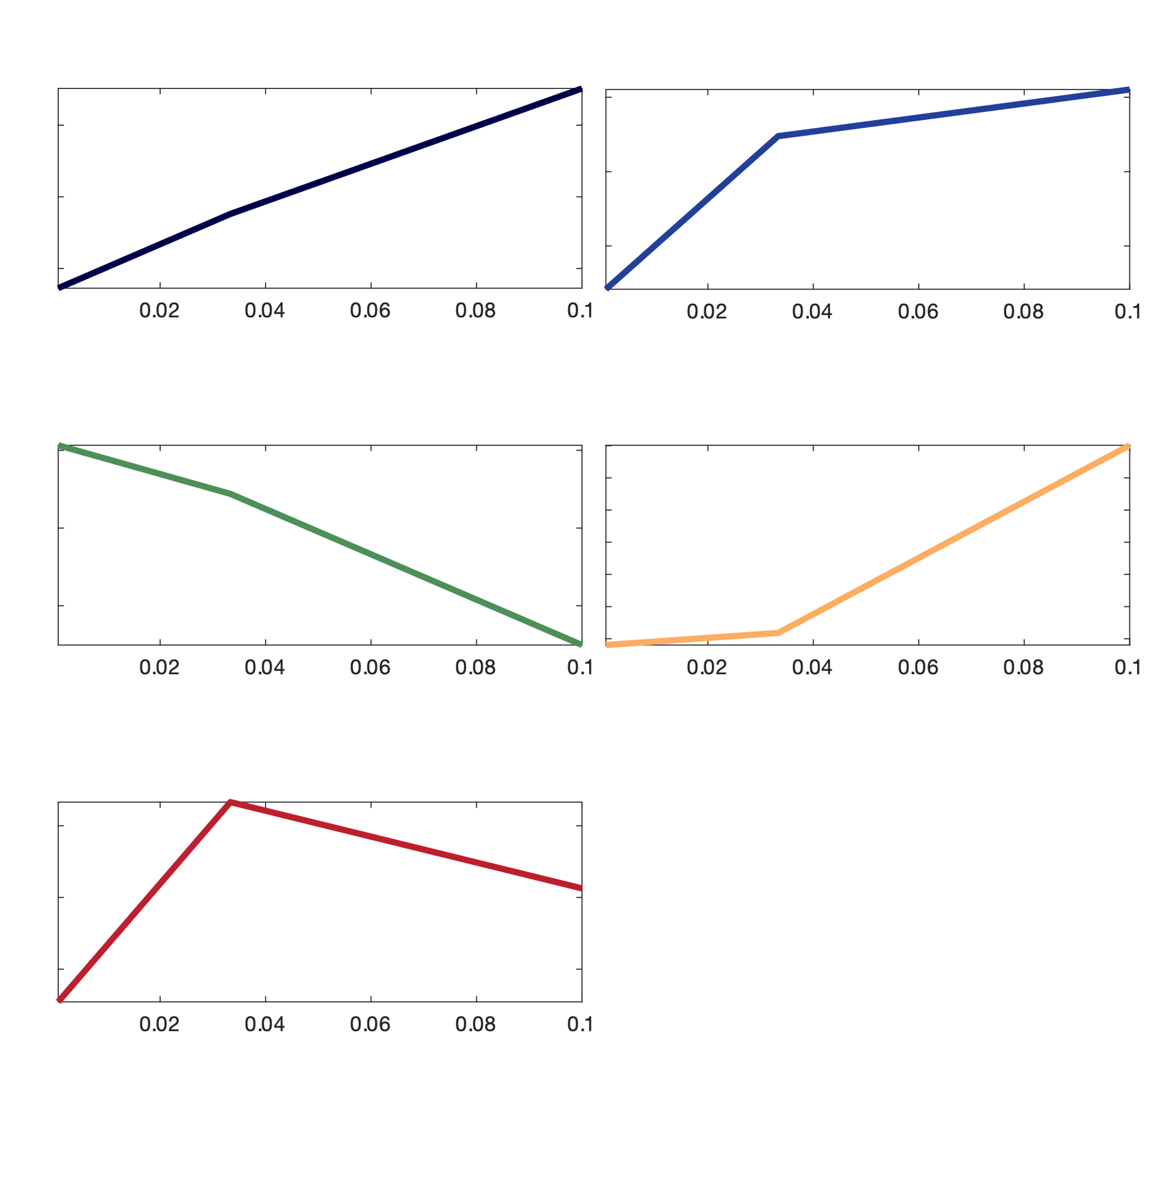
CR | Fold change_cond2 | Fold change_cond2 | Fold change_cond3 | Fit to their own clusters | Fit to ctrs from FM clusters | Ctrs for their own clusters
arp8 | 2.500336572 | 4.6796699377 | 25.050832217 | 1 | 2 | -0.63726909559 | -0.11915184611 | 0.75642094171
arp8 | 2.0177070295 | 4.4181971156 | 27.271179891 | 1 | 2 | -0.79064888537 | 0.23831765467 | 0.5523312307
arp8 | 1.7450576235 | 2.9310925895 | 30.155510801 | 4 | 2 | 0.53271975723 | 0.21997442585 | -0.75269418308
caf40 | 3.0853496443 | 6.3014398906 | 7.3096548972 | 2 | 2 | -0.43894415872 | -0.36381019525 | 0.80275435397
caf40 | 2.2949178621 | 5.0003161056 | 6.8067425542 | 2 | 2 | -0.72764102044 | 0.66445091214 | 0.063190108299
caf40 | 3.0222507385 | 6.8684461798 | 17.489696932 | 1 | 2
cdc73 | 1.4956432132 | 1.9629840446 | 8.9999674796 | 4 | 2
cdc73 | 1.4209174205 | 2.0429664297 | 8.3841385354 | 4 | 2
cdc73 | 1.3446259851 | 1.7861585056 | 9.4567030292 | 4 | 2
ecm5 | 3.7226711359 | 42.569593461 | 51.186992222 | 2 | 4 | Ctrs for FM clusters
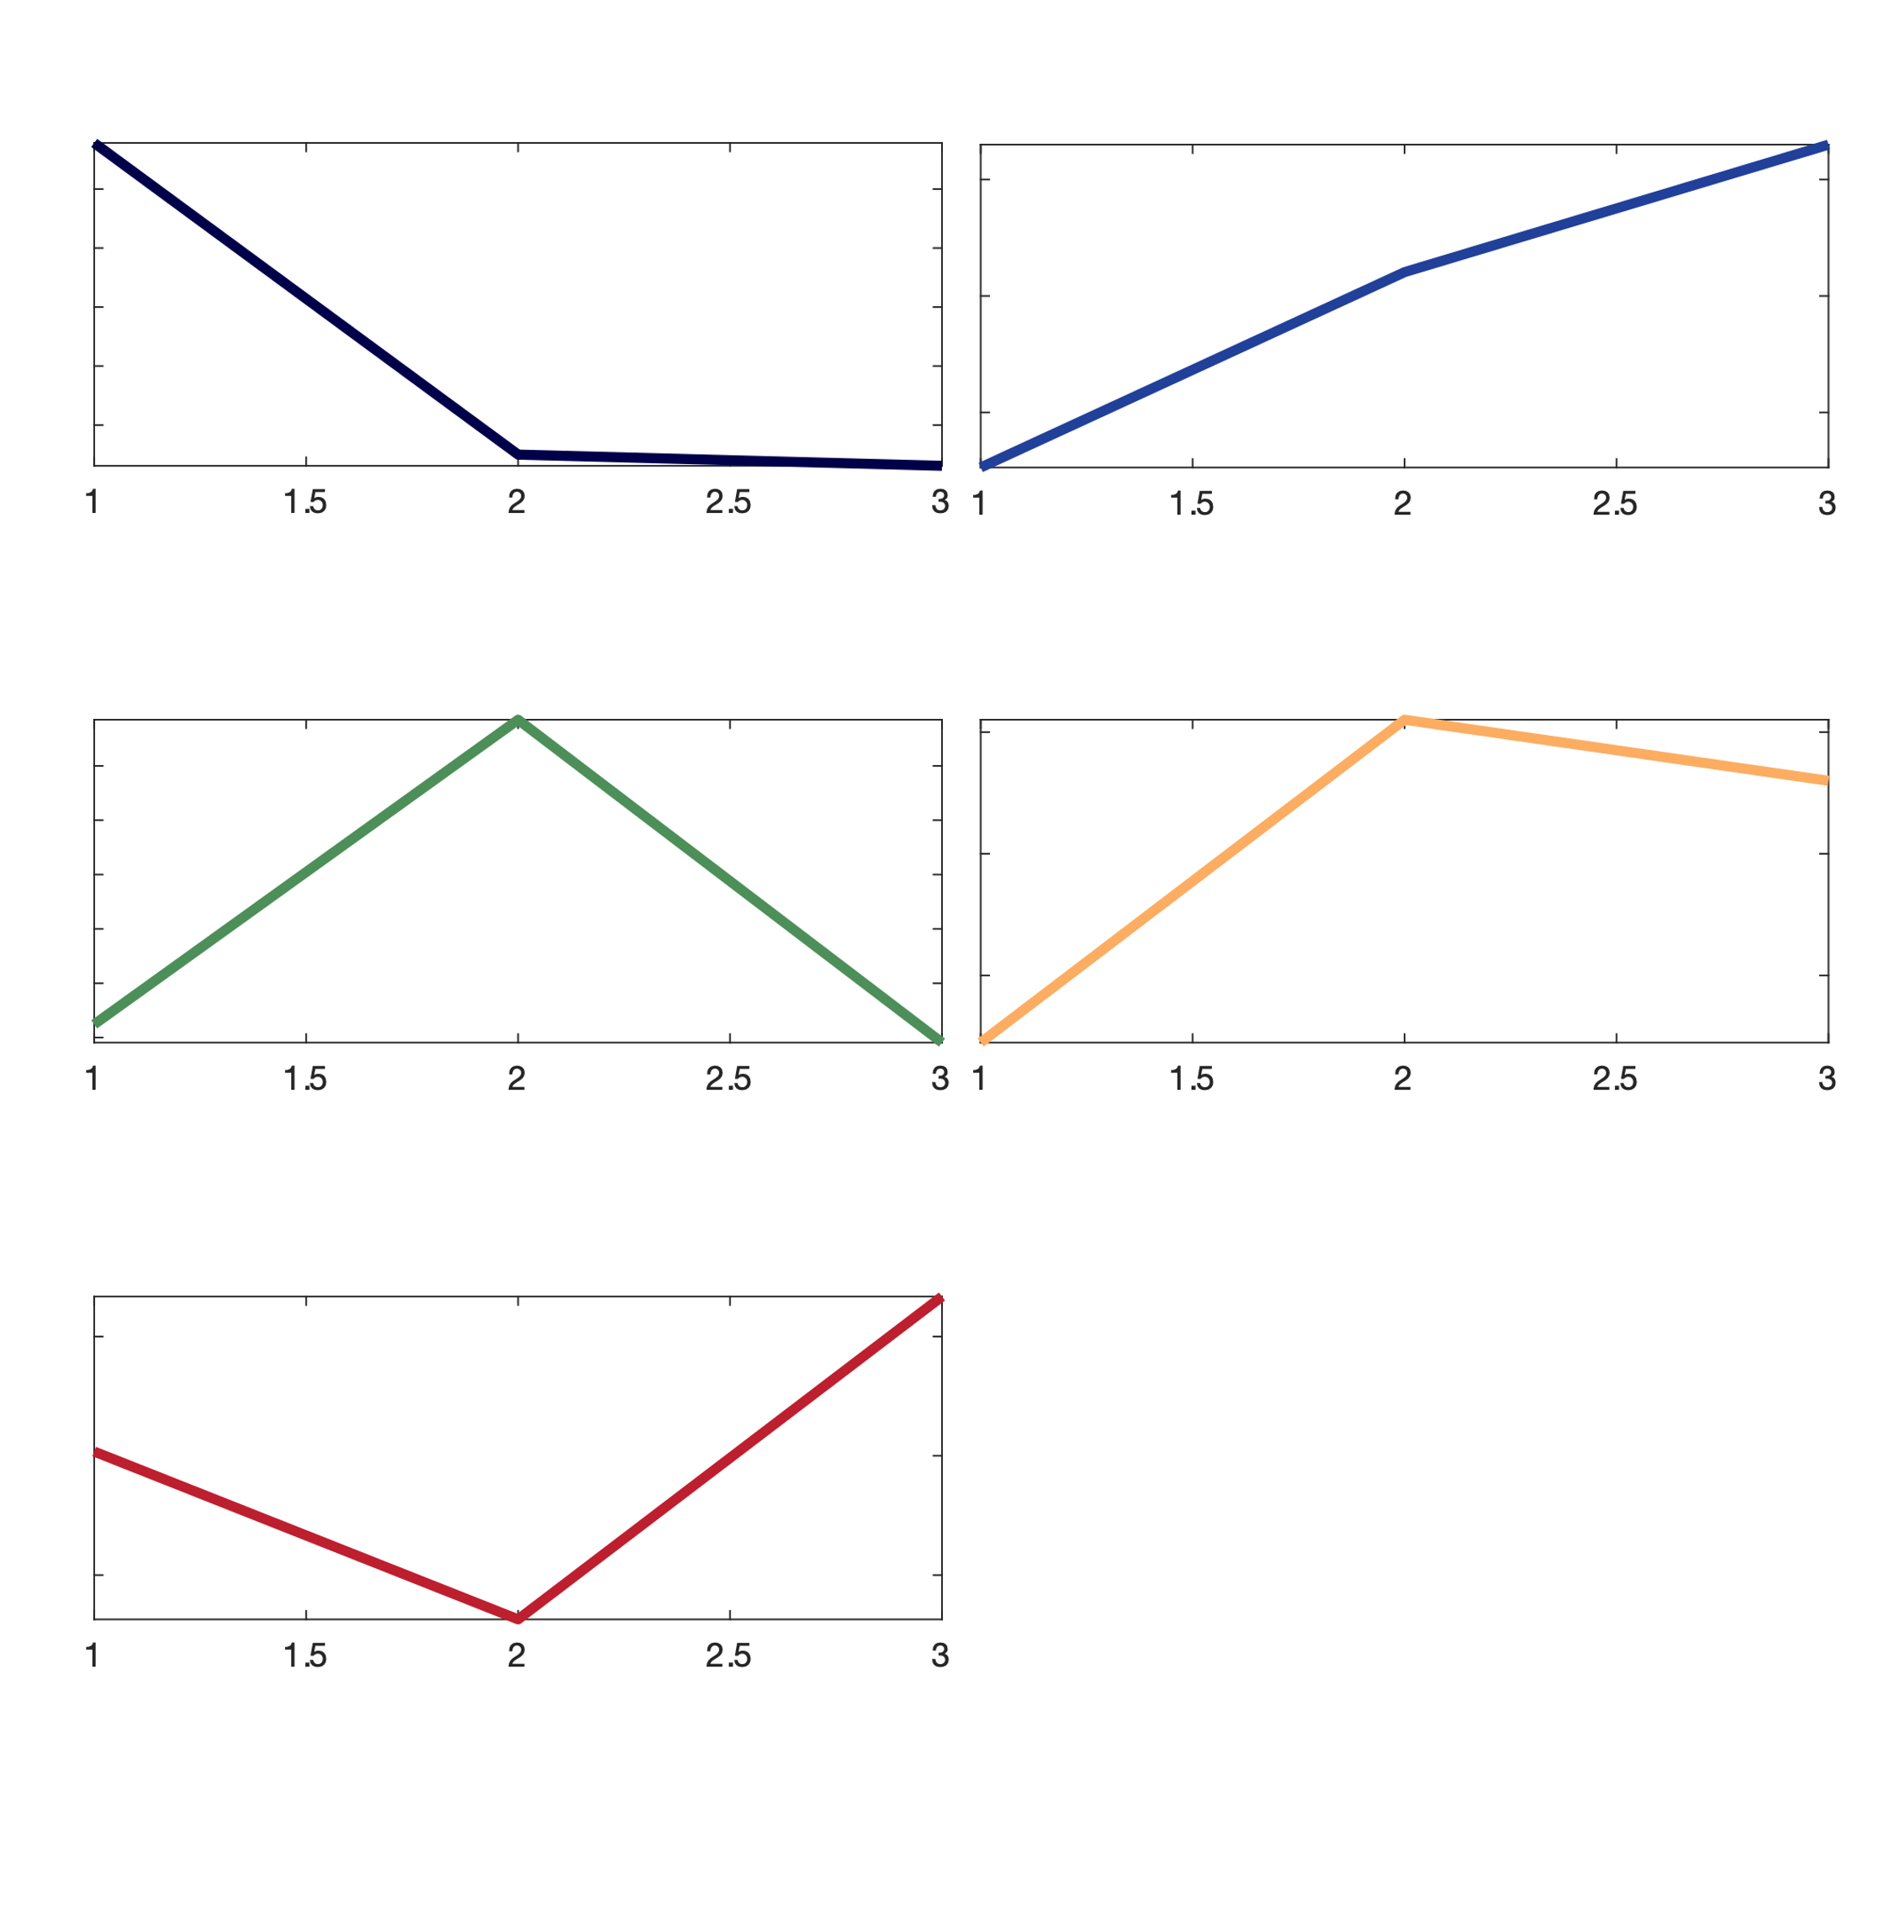
ecm5 | 7.5945556081 | 129.93762954 | 51.519381041 | 5 | 4 | 0.75634142188 | -0.3 | -0.33809981868
ecm5 | 4.2127019514 | 139.72203958 | 47.226486777 | 5 | 4 | -0.73651082096 | 0.1024050132 | 0.65
ecm5 | 8.1073634416 | 182.51940664 | 47.617683466 | 5 | 4 | -0.35148468522 | 0.76998652899 | -0.41850184377
gcn5 | 5.97E+00 | 2.850363103 | 22.177858798 | 4 | 5 | -0.77551236393 | 0.55083560176 | 0.3
gcn5 | 6.34E+00 | 7.0375760971 | 24.772109612 | 4 | 2 | 0.017876856624 | -0.68562500539 | 0.66774814877
gcn5 | 7.0996172617 | 5.3990589235 | 17.171710068 | 4 | 5
htz1 | 1.8451418397 | 3.1033635205 | 7.6226646403 | 1 | 2
htz1 | 2.2708537957 | 5.8999747638 | 31.87730207 | 1 | 2
htz1 | 6.0197051362 | 9.0614513804 | 22.116510967 | 1 | 2
ies4 | 2.3267783997 | 2.5389272437 | 4.097258767 | 4 | 2
ies4 | 3.4789311968 | 4.7173939126 | 0.20684260235 | 3 | 3
ies4 | 2.4785931178 | 0.55384376285 | 0.14737121556 | 3 | 1
JY145 | 7.7521968583 | 47.95557019 | 14.419358503 | 5 | 3
JY145 | 5.3644375935 | 11.749047448 | 15.752779928 | 2 | 2
JY145 | 9.5712355479 | 15.107889571 | 15.464745074 | 2 | 4
JY30 | 1.55E+00 | 4.1750471151 | 14.731609783 | 1 | 2
JY30 | 2.0658623031 | 3.938128378 | 10.390560655 | 1 | 2
JY30 | 1.1603050978 | 2.5624967359 | 14.951217234 | 1 | 2
JY30 | 3.54E+00 | 3.4504866081 | 17.938914266 | 4 | 5
JY30 | 1.3678914722 | 4.1141258977 | 24.919190266 | 1 | 2
JY30 | 1.7256295114 | 4.1658081597 | 15.745437106 | 1 | 2
med22 | 1.297163428 | 2.8500208234 | 5.8210869427 | 1 | 2
med22 | 1.335715563 | 2.0822916244 | 4.4483610748 | 1 | 2
med22 | 1.0194914637 | 1.5780169517 | 8.6002462794 | 4 | 2
med22 | 1.06087912 | 2.3303835507 | 11.044669721 | 1 | 2
rxt2 | 1.2581008372 | 2.4686431993 | 5.2604651976 | 1 | 2
rxt2 | 1.2425105504 | 3.403338387 | 5.2232990512 | 2 | 2
rxt2 | 1.4994569614 | 1.8189721016 | 2.4675222583 | 1 | 2
rxt2 | 1.796185048 | 4.0757153107 | 8.1215364449 | 1 | 2
rxt3 | 43.836395218 | 71.197781236 | 322.01443769 | 1 | 2
rxt3 | 3.03E+01 | 62.214680779 | 358.14878686 | 1 | 2
rxt3 | 31.809816878 | 75.850975546 | 221.67764541 | 1 | 2
rxt3 | 35.086191555 | 68.029126175 | 247.70988603 | 1 | 2
sas2 | 1.6177273139 | 2.6946778948 | 3.6524341005 | 2 | 2
sas2 | 1.4049838336 | 2.679433761 | 8.3423421905 | 1 | 2
sas2 | 1.5795314069 | 2.8652402334 | 10.683361937 | 1 | 2
sas2 | 1.4084148843 | 2.9353383922 | 14.096931391 | 1 | 2
swc3 | 10.735157976 | 21.217160444 | 58.66788663 | 1 | 2
swc3 | 10.457837404 | 27.428664488 | 84.850047625 | 1 | 2
swc3 | 11.159084982 | 24.605384791 | 86.01243667 | 1 | 2
swc7 | 1.3724986479 | 2.3030607525 | 2.9302279131 | 2 | 2
swc7 | 0.85851241586 | 3.4673482006 | 13.36690219 | 1 | 2
swd3 | 9.6580173287 | 17.296928249 | 69.415017397 | 1 | 2
swd3 | 12.578049555 | 17.181251394 | 106.01650274 | 4 | 2
swd3 | 16.399245557 | 28.530225804 | 148.6938632 | 1 | 2
swd3 | 28.085229672 | 39.485560994 | 90.622537958 | 1 | 2
taf1 | 11.60596175 | 20.84945637 | 75.502700128 | 1 | 2
taf1 | 10.638290685 | 21.039228714 | 86.763067496 | 1 | 2
taf1 | 11.381798584 | 22.580208315 | 57.589360625 | 1 | 2

